R13
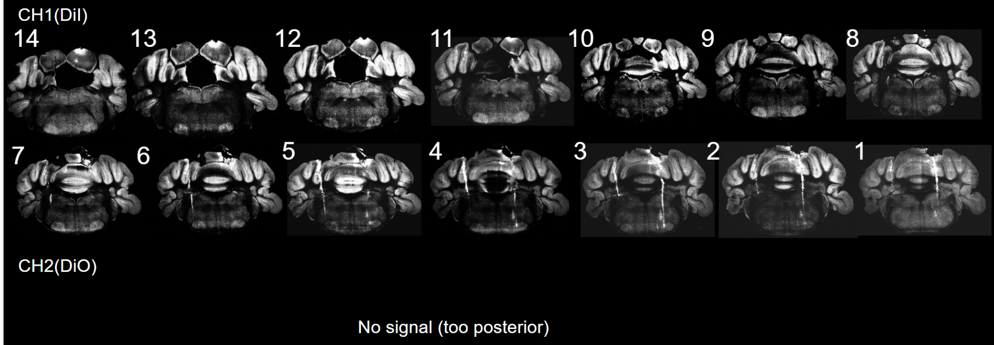
Mouse: R13
date | time | rig#.version | session type | weight(g) | file | rig time (min) | notes | Link to note | to run pipeline | done?
On 2/4/2024, make right craniotomy
2/6/2024 | 4-5PM | 1 | recording+stim(anes) |  | 20240206_R13 | 60 | blinking & whiskering | 20240206_R13 | stim-neuron activity(002,003) | y
2/7/2024 | 3-4PM | 1 | recording+stim(anes) |  | 20240207_R13 | 50 | try variable stim frequency. blinking & whiskering | 20240207_R13 | stim-fre-eye(000,002,003) | y
2/8/2024 | 3-4 PM | 1 | recording+stim(anes) |  | 20240208_R13 | 50 | try variable stim frequency. whiskering | 20240208_R13
2/9/2024 | 3-4 PM | 1 | recording+stim(anes) |  | 20240209_R13 | 60 | try variable stim frequency. whiskering | 20240209_R13 | stim-fre-whi(000,001,002,003) | y
2/11/2024 | 1-2 PM | 1 | recording+stim(anes) |  | 20240211_R13 | 60 | try variable stim frequency. whiskering | 20240211_R13
On 2/11/2024, make left craniotomy
2/12/2024 | 12-1PM, 3-4PM | 1 | recording+stim(anes) |  | 20240212_R13 | 60 *2 | stim 2 channels -> single whisker move | 20240212_R13 | stim-narrow-whi(000-007)(009,011-013,016)
2/13/2024 | 11-12PM, 2-3PM | 1 | recording+stim(anes) |  | 20240213_R13 | 60 *2 | try 2 sites, no reaction, end recording | 20240213_R13
2/14/2024 | 11-12PM,3-4PM | 1 | recording+stim(anes) |  | 20240214_R13 | 60*2 | stim 2 channels -> whisker move(?) | 20240214_R13
On 2/14/2024, all recording done, mouse is perfused .

recording map:
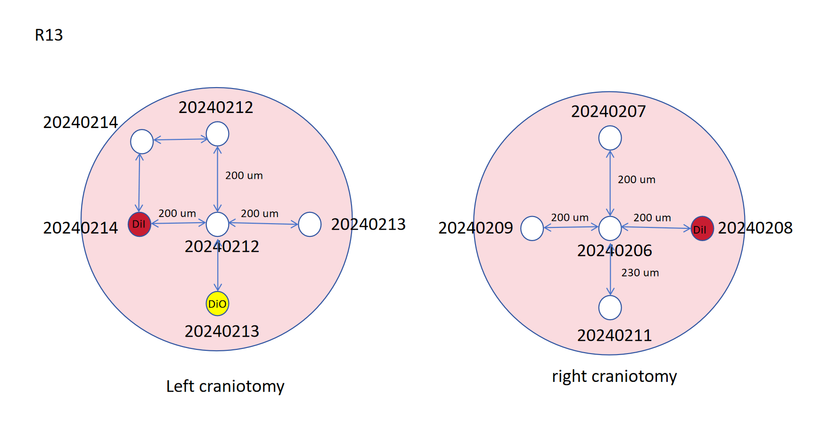
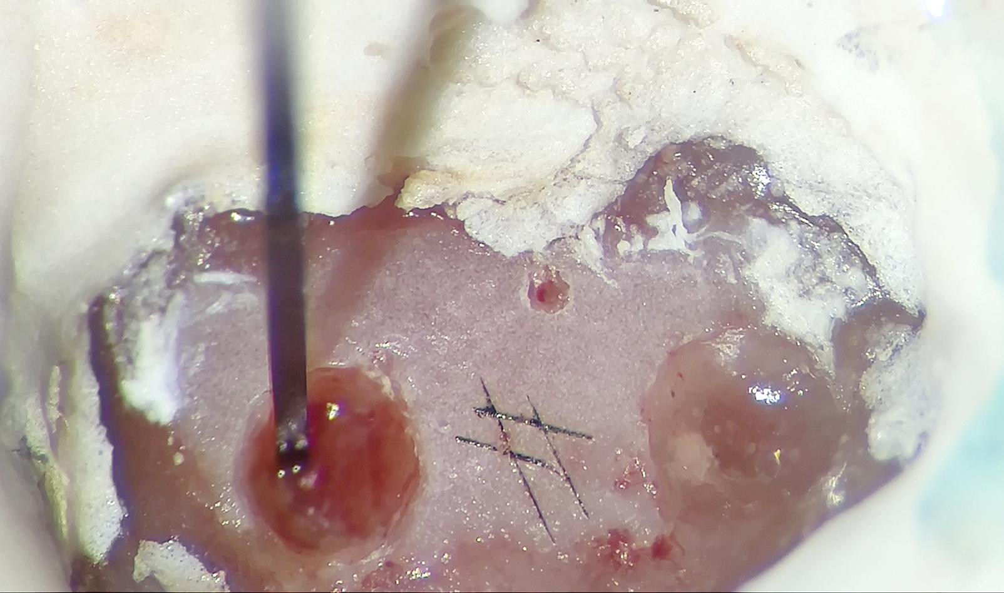

imaging

R14
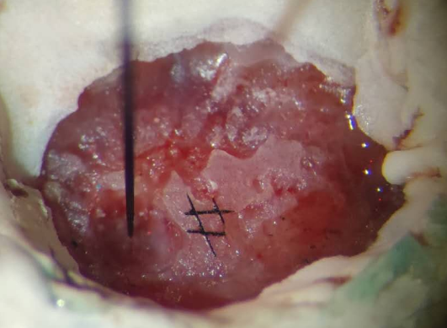
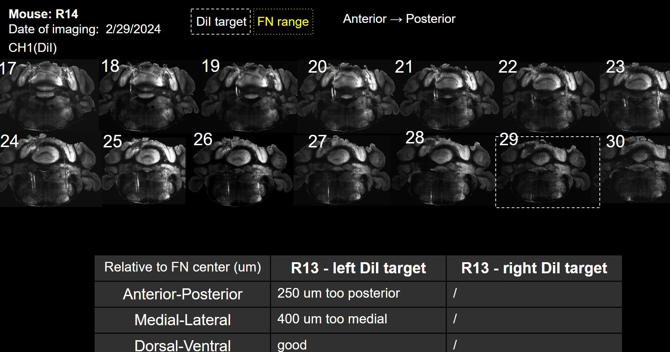
Mouse: R14
date | time | rig#.version | session type | weight(g) | file | rig time (min) | notes | Link to note | to run pipeline | done?
2/11/2024: start water dep
2/13/2024 | 12-1pm | 1 | acc | 24.2 | / | 1min *3 | water dep, headfixing for 1 min 3 times, mouse screams a lot | /
2/14/2024 | 1-2PM | 1 | acc | 23.7 | / | 10 min |  | /
2/15/2024 | 1-2PM | 1 | acc | 23.2 | / | 30 min |  | /
2/16/2024 | 1-2PM | 1 | acc | 22.7 | / | 30 min |  | /
2/17/2024 | 10-11AM | 1 | acc | 22.7 | / | 30min |  | /
2/18/2024 | 1-2PM | 1 | acc | 22.7 | / | 60 min | good | /
2/18/2024: make left craniotomy
2/19/2024 | 10-11AM, 3-4PM | 1 | rec/stim(awake) | 22.5 | 20240219_R14 | 60min *2 | stim->whisker move? not obvious | 20240219_R14
2/20/2024 | 10-11AM, 4-5PM | 1 | rec/stim(awake) | 23.1 | 20240220_R14 | 60min *2 | stim->whisker move? not obvious | 20240220_R14
2/21/2024 | 10-11AM | 1 | rec/stim(awake) |  |  | 60min | eye(very little), whisker | 20240221_R14
2/21/2024: make right craniotomy
2/22/2024 | 8-9AM | 1 | rec/stim(awake) |  |  | 60 min | eye(very little), whisker | 20240222_R14
2/23/2024 | 10-11AM | 1 | rec/stim(awake) |  |  | 60 min | eye blink, test various duration | 20240223_R14 | stim-dutation(004-007)
2/23/2024: headplate fall off during recording, mouse is perfused

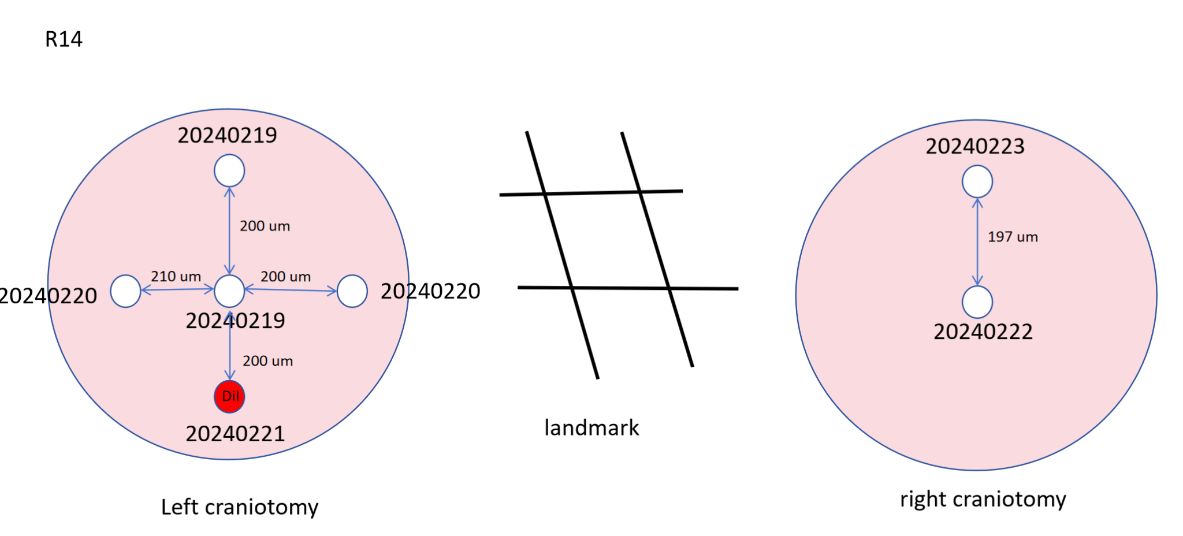
recording map:

R16
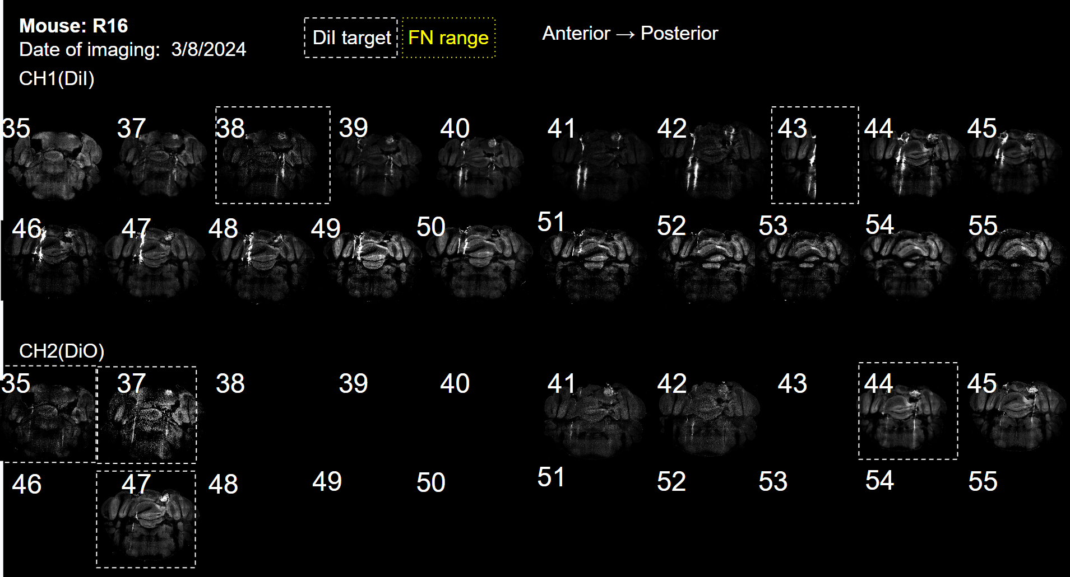
Mouse: R16
date | time | rig#.version | session type | weight(g) | file | rig time (min) | notes | Link to note | Link to data on grid
2/27/2024: start water dep
2/28/2024 | 12-1pm | 1 | acc | 18.1 | / | 2min |  | /
2/29/2024 | 12-1pm | 1 | acc | 17.1 | / | 2min |  | /
3/1/2024: make right craniotomy
3/2/2024 | 12-1pm | 1 | acc
3/5/2024 | 10-11am, 3-4pm | 1 | stim/recording |  | 20240305_R16 | 50MIN *2 | ear eye whisker move | 20240305_R16 | Z:\Xinyan\ephys_data\20230305_R16
3/6/2024: make left craniotomy
3/6/2024 | 10-11am, 3-4pm | 1 | stim/recording |  | 20240306_R16 |  | ear&eye&whisker, whisker only | 20240306_R16 | Z:\Xinyan\ephys_data\20240306_R16
3/7/2024 | 4-5pm | 1 | stim/recording |  | 20240307_R16 |  | ear&eye&whisker, test various fre of train | 20240307_R16 | Z:\Xinyan\ephys_data\20240307_R16
3/7/2024: perfusion

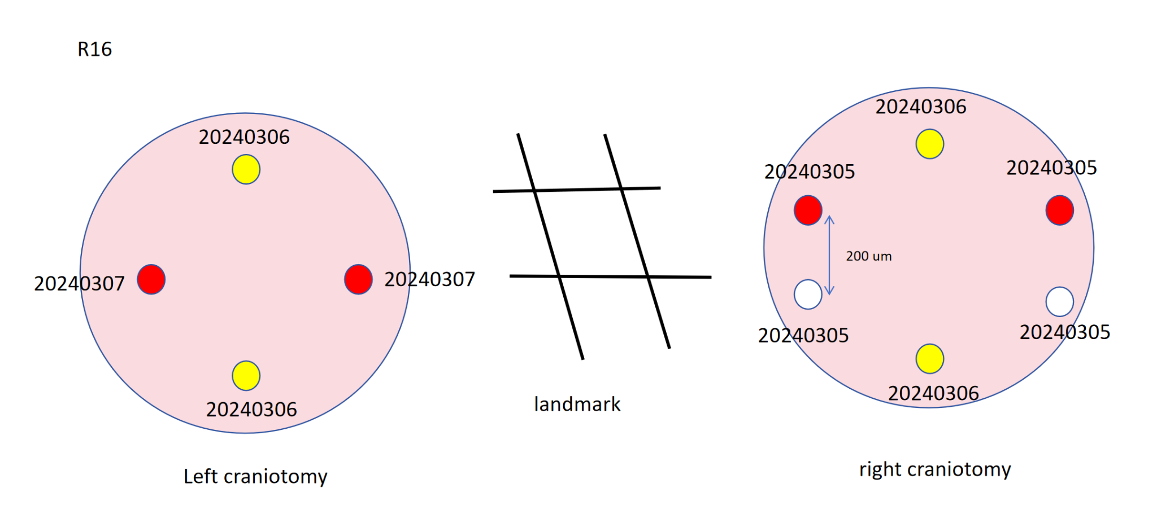
recording map | Xinyan ephys STPT Imaging

